Table 1
IDTA 02008-1-1 Time Series Data March 2023
S P E C I F I C A T I O N
Submodel Template of the Asset Administration Shell

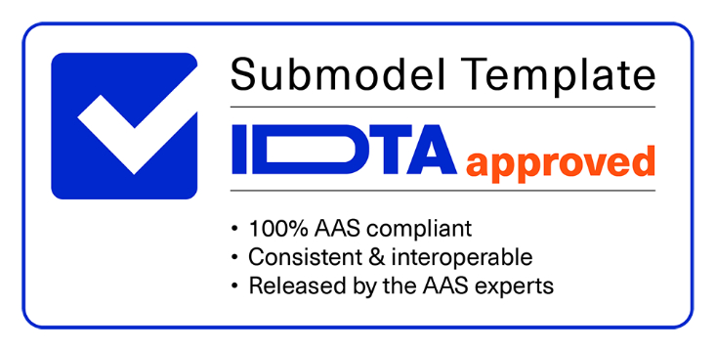

Imprint
Publisher Industrial Digital Twin Association Lyoner Strasse 18 60528 Frankfurt am Main Germany https://www.industrialdigitaltwin.org/ Version history
Date | Version | Comment
2021-11-01 | 1.0 | Used for development only. No official version published.
2023-03-01 | 1.1 | Release of the official Submodel template published by IDTA.
Contents
1 General 6 1.1 About this document 6 1.2 Scope of the Submodel Template 6 1.3 Relevant standards for the Submodel template 6 1.4 Use cases and requirements 7 1.4.1 Time series data with passive AAS and passive Assets 7 1.4.2 Time Series Data within the engineering phase of an Asset 7 1.4.3 Time Series Data during usage phase – smart Sensor 8 2 Submodel Template Time Series Data 9 2.1 Approach 9 2.2 Definitions within the Submodel template specification 10 2.2.1 Notions of Time 10 2.2.2 Data points and Segments 11 2.2.3 AAS Modelling of Time Series 13 2.3 Submodel Template of Time Series Data 14 2.4
Figures
Figure 1 Scope and use cases for time series data 6 Figure 2 Use case of time series data along the value chain of an adhesive 7 Figure 3 Use case of time series data in engineering – Motion Profiles 7 Figure 4 AAS Time Series Data Submodel within the product life cycle 9 Figure 5 Classification of time specifications 10 Figure 6 Example of absolute and incremental time points and durations within a user-defined time scale 10 Figure 7 Element IdShort as unique ID of a time series record 11 Figure 8 Time Series Data UML Diagram 13 Figure 9 Data access without operations 31 Figure 10 Data access with operations 31
Tables
Table 3 Types of time series segments 12 Table 4 Specification of Submodel Template TimeSeries 14 Table 5 Specification of SMC Metadata 15 Table 6 Specification of SMC Record 16 Table 7 Specification of SMC Segments 17 Table 8 Specification of SMC InternalSegment 18 Table 9 Specification of SMC ExternalSegment 21 Table 10 Specification of SMC LinkedSegment 24 Table 11 Specification of SMC Records 28 Table 12 Example Timestamp definitions 29 Table 13 Example qualifiers 30 Table 14 Outlook on Submodel Template TimeSeries with Operations 32 Table 15 Outlook on Operation DeriveSegment 33 Table 16 Outlook on Operation ReadRecords
1 General
1.1 About this document This document is a part of a specification series. Each part specifies the contents of a Submodel template for the Asset Administration Shell (AAS). The AAS is described in [1], [2], [3] and [6]. First exemplary Submodel contents were described in [4], while the actual format of this document was derived by the "Administration Shell in Practice" [5]. The format aims to be very concise, giving only minimal necessary information for applying a Submodel template, while leaving deeper descriptions and specification of concepts, structures and mapping to the respective documents [1] to [6].
1.2 Scope of the Submodel Template In Industrie 4.0, the ubiquity of data sources and sensors and low costs of storage has resulted in increasing amounts of time series data being captured – not only during the operational phase of an asset. A time series is a series of data points in time order over a period of time. Time Series can represent raw data, but can also represent main characteristics, textual descriptions or events in a concise way. This Submodel template aims at an interoperable description of time series data in industrial automation for the complete asset lifecycle. The focus of this Submodel template is on the semantic information of time series data. The Submodel claims to integrate time series data within the AAS itself, but also from external data sources. Figure 1 shows the use cases, such as sensor data from real and virtual sensors, and their technical storage options inside or outside the AAS that were taken into account in the creation of this specification.
Figure 1 Scope and use cases for time series data
1.3 Relevant standards for the Submodel template - ISO 8601 “Data elements and interchange formats – Information interchange – Representation of dates and times” was integrated for definition of time scales and time stamps - JSON Time Series Format [7] was considered to add structure and metadata. - ECLASS & IEC CDD was included to use semantic IDs for properties and qualifiers. - ISO/IEC 18014-1:2008 Information technology -- Security techniques -- Time-stamping services is referenced to make a boundary with this specification regarding the time synchronization of various data sources. - IEEE/IEC 61588-2021“Precision Clock Synchronization Protocol for Networked Measurement and Control Systems” [8] is referenced to make a boundary with this specification regarding the time synchronization of various data sources. - OPC Foundation: OPC Unified Architecture Part 11“Historical Access” has been considered to provide the outlook on the methods for querying time series.
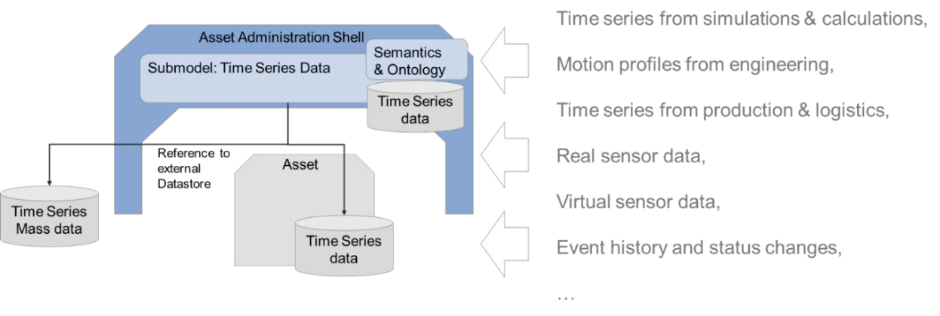
1.4 Use cases and requirements In creating this specification, the following use cases were contributed by participants. General requirements were derived from the use cases and design decisions were made.
1.4.1 Time series data with passive AAS and passive Assets The cold chain of an adhesive must be maintained from production to consumption. For this purpose, multiple distributed sensors monitor the ambient temperature and store this data in the AAS of the adhesive. Regardless of whether the data is synchronized continuously or at specific time intervals, a consistent time series for the asset is available throughout the entire lifecycle and across different stakeholders. For this use case a passive AAS whithout computing capacity is sufficient.
Figure 2 Use case of time series data along the value chain of an adhesive
1.4.2 Time Series Data within the engineering phase of an Asset In the design of power drive systems, information on the motion sequence is exchanged between different partners. User defined timestamps (for instance acceleration time in seconds) are usually used to describe motion sequences. The following example shows a motion sequence of a rotary table in a sizing tool during the enginering phase of a machine.
Figure 3 Use case of time series data in engineering – Motion Profiles

Table 3
2 Submodel Template Time Series Data
2.1 Approach This Submodel represents an approach for the semantic description of time series along the entire asset life cycle in the AAS. Since there are many optimized database systems for time series data, this specification defines the integration of external data sources, as well as the storage of time series in the AAS itself. In addition, the outlook on operations is given to enable standardized queries, inputs and functions on time series data. Time Series Data throughout the asset lifecycle The Time Series Data Submodel can cover different phases of a product life cycle. As shown in Figure 4, the usage of Time Series Data Submodel starts during the Engineering Phases (Development of a type). During this phase, the Template of Time Series Data Submodel is created based on the Metadata of the corresponding product “type”. The focus of the Time Series Data Submodel, however, is after the product is instantiated and starts to store the record data that the product is generating. Note – an asset type can also have a Submodel-instance with type-related time series data containing segments and records, e. g. time series from simulations or calculations during the design phases.
Figure 4 AAS Time Series Data Submodel within the product life cycle
Generic Structure of Time Series A time series consists of data points in time order. Timestamped data is the most basic type of time series that associates values with points in time. An example of time series is shown in Table 2. Tabelle 2: Simple time series
index | Timestamp | value
0 | 2020-01-22T16:38:09Z | 4
1 | 2020-01-22T16:39:09Z | 5
2 | 2020-01-22T16:40:00Z | 2
3 | 2020-01-22T16:41:30Z | 6
4 | 2020-01-22T16:45:20Z | 4
5 | 2020-01-22T16:50:36Z | 1
A timestamp is used to assign a time to a data point or event. Data points (variables) can be measurement data, events, or even textual descriptions. Segments (subsequences) of a time series divide a time series into logical sections, which can be labelled and be described by further semantics. For an interoperable exchange of time series data structure, timestamps, data points and operations are defined in more detail in chapter 2.2. This specification focuses on these core elements of a time series.

Depending on the application and technology used, the times series model should be extended by further properties and qualifier. 2.2 Definitions within the Submodel template specification
2.2.1 Notions of Time A timestamp is used to assign various events and data to a unique point in time. The ISO 8601 standard can be used for an unambiguous and well-defined method of presenting date, time of day, date and time, time intervals and recurring time intervals. For a common interpretation of the timestamp, it is also indicated with its time scale. In the automation and IT world, the Coordinated Universal Time (UTC) and the International Atomic Time (TAI) time scales are established and are therefore prefeared to use in this specification. In contrast to these international specified time scales are relative time measurements - e.g., with a stopwatch - where the zero point can be arbitrary because of the mere measurement of a time difference. For these time series the ISO 8601 timestamp is not appropriate and user-defined time formats and values are used (see Figure 5).
Figure 5 Classification of time specifications
To describe the timeline of a qualitative time scale, the time unit such as hours, minutes, seconds, milliseconds, or microseconds must be determined. Due to the SI (Système International) base unit, seconds are the preferred time unit in this specification. In addition, it must be determined whether these are time points or durations. A time point is one point on the time axis, whereas duration describe the length of a time interval. Time intervals are limited by two points in time. Usually and if not explicitly stated, time points refer to the starting point of the time scale, whereas time durations build on each other (see Figure 6). To clearly identify the measurement model (absolute or incremental), this can be done via a qualifier. Note – data points (variables) of a measurement series can also be absolute or incremental.
Figure 6 Example of absolute and incremental time points and durations within a user-defined time scale Based on these explanations, the requirement for the following AAS Submodel Elements were determined: - Time <<Property>> with its corresponding semantic ID for eg. TAI, UTC or custom time scales: o UtcTime <<ConceptDescription>> o TaiTime << ConceptDescription >> o RelativePointInTime << ConceptDescription >> in seconds, due to the SI base unit o RelativeTimeDuration << ConceptDescription >> in seconds, due to the SI base unit - MeasurementModelQualifier <<Qualifier>> with value list [absolute, incremental]

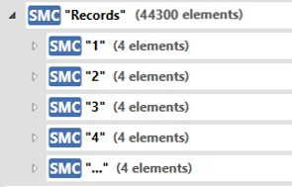
Note – Other timestamp formats and scales, such as Unix Time, Ephemeris Time (ET) or Barycentric Dynamical Time (TBD) can be defined as Concept Description with corresponding semantic IDs. Note – A time series can contain several timestamps, for example a timestamp from the sensor and a timestamp from superior instances or in different timescales. Note – This specification does not address the synchronization of clocks in measurement and control systems. A time stamp produced by the clock of the local computer should be synchronisized with a time stamp service provider, which is serving a common time reference. Further specifications such as IEC/IEEE 61588 “Precision Clock Synchronization Protocol for Networked Measurement and Control Systems” give guidance for this.
2.2.2 Data points and Segments Data points (variables) can be measurement data, events, or even textual descriptions. A data point has several values X1, X2, X3, Xn with correspondending units (e. g. °C, m/s2, rpm, V, A, …). Depending on the number of data points, a time series can have simple or complex structures (e. g. X1, Y1, Z1, X2, Y2, Z2, X3, Y3, Z3, Xn, Yn, Zn,). This specification does not define semantic IDs of time series variables. The semantic IDs of the data points depend on the measured variables and their applications and should be chosen accordingly. Record IDs - Within a time series timestamps and associated values are linked in a record via by an Identifier (ID). The record ID must be unique within a time series. For simple time series, the record ID could be handled like an index of integers and start with 0. For mass data and harmonizations from distributed data sources, the ID in the form of a GUID is more appropriate. An explicit property for the record ID can be omitted, if the idShort of the Submodel Element Collection is used as unique ID within a time series (see Figure 7).
Figure 7 Element IdShort as unique ID of a time series record
A time series segment is a subsequence of values from the variables within a time series. Different techniques for segmentation during data processing and analysis can be used. A segment has a name, a description, the number of records, a start time, and an end time. Other information such as the sampling rate, the sampling interval or additional user-defined properties may be contained. In addition, the status of a time series segment can be important for users, in the meaning that the segment is completed (status = completed) or is still subject to ongoing changes (status = in progress). For this requirement, a last updated property can also be set. Note - Sampling rate refers to the number of samples per second. It is usually measured in hertz (Hz) and is often expressed as a frequency. For example, a sampling rate of 44.1 kHz means that 44,100 samples are taken per second. The sampling interval refers to the time between successive records. It is usually measured in seconds and is the inverse of the sampling rate. For example, if the sampling rate is 44.1 kHz, the sampling interval is approximately 22.68 microseconds (1/44100 seconds).

Table 4
This specification defines three types of time series segments (Internal, Linked and External), which can be used according to the requirements of the use cases. Table 1 provides an overview of these.
Table 1 Types of time series segments

 | InternalSegment | LinkedSegment | ExternalSegment
Description | InternalSegments allow an I4.0 application (defined in [7]) to manage the Time Series Data structure and content directly in the AAS. | LinkedSegments allow an I4.0 application to read out the endpoint and query to an external system to manage time series without the AAS. | ExternalSegments allow an I4.0 application to find a data or BLOB file within which time series data is stored.
Suitable for | - Few data points - handover of data points - Permissions managed within the AAS | - Brownfield integration - Mass data - Permissions managed in external system - dynamic time series without continuous update of AAS | - Brownfield integration - Static time Series - Handover of time Series - Few accesses
Implications | - dynamic time series require continuous updating of the AAS | - I4.0 application must be able to work with endpoint and query - Data semantics and payload separated from each other | - I4.0 application must be able to handle different file formats - Data semantics and payload separated from each other
Qualifier (e. g. from ECLASS, IEC CDD or OPC UA) can be used to express further semantics in conjunction with a defined data element type or a defined data value. Therefore, Qualifier can be used in all those cases where existing definitions of data element types are not sufficiently specified. Possible relevant qualifiers for time series data are: - ValueQualityQualifier (IEC CDD 0112/2///61360_4#ADA350) [good, bad, uncertain]: The quality of the data values can be of value in a time series analysis. This allows bad data values to be omitted from aggregations or calculations. - ValueOriginQualifier (IEC CDD 0112/2///61360_4#AAF582) [calculated, estimated, measured, set]: Information about the type of data collection or generation for the value provided. - ValueProcessingQualifier (IEC CDD 0112/2///61360_4#AAF583#002) [arithmetic mean, median, root mean square, …]: Information about the method of preprocessing the value provided. - MeasurementModelQualifier (defined in this Submodel specification) [absolute, incremental]: Information about whether there is an absolute measurement, or whether the value is to be seen as additive to the previous measurement. Note - The scope of a qualifier depends on its application. For example, the ValueOriginQualifier can be applied to a single data element, to an entire record, or to the data element in the metadata collection.

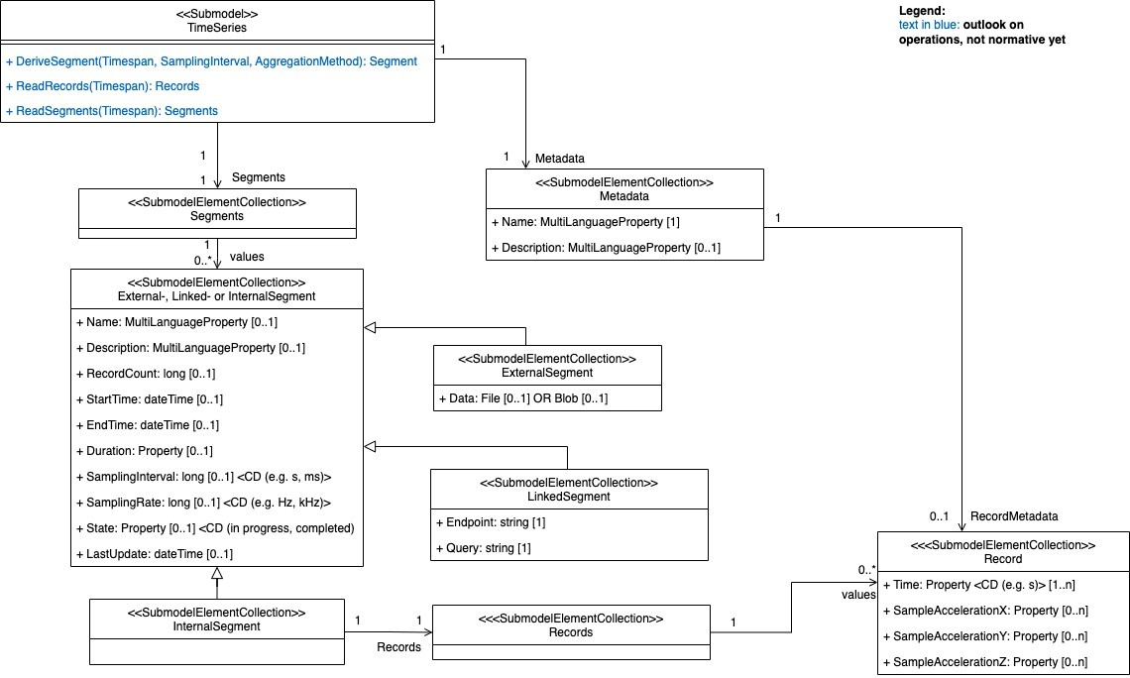
2.2.3 AAS Modelling of Time Series The preceding considerations and definitions are applied to the Time Series Submodel in Figure 8.
Figure 8 Time Series Data UML Diagram

Table 16
2.5 Example qualifiers Table 11 Example qualifiers
Qualifier/type | Qualifier/semanticId Description@en | Qualifier/value
ValueQualityQua lifier | [IRDI] 0112/2///61360_4#ADA350 qualifier that specifies the quality of the value of a data element type Notice - The quality of the data values can be of value in a time series analysis. This allows bad data values to be omitted from aggregations or calculations. | 0112/2///61360_7#CTA052 - good 0112/2///61360_7#CTA053 - bad 0112/2///61360_7#CTA054 - uncertain 0112/2///61360_7#CTA000 - others
ValueOriginQuali fier | [IRDI] 0112/2///61360_4#AAF582 qualifier that specifies the type of data capturing or generation for the provided value Notice - Information about the type of data collection or generation for the value provided. | 0112/2///61360_7#CTA004 - calculated 0112/2///61360_7#CTA005 - estimated 0112/2///61360_7#CTA006 - measured 0112/2///61360_7#CTA007 - set 0112/2///61360_7#CTA000 - others
ValueProcessing Qualifier | [IRDI] 0112/2///61360_4#AAF583#002qualifier that specifies a method of selecting or computing a representative value from more than one valueNotice - Information about the method of preprocessing the value provided. | 0112/2///61360_7#CTA008 - arithmetic mean 0112/2///61360_7#CTA009 - geometric mean 0112/2///61360_7#CTA010 - harmonic mean 0112/2///61360_7#CTA011 - median 0112/2///61360_7#CTA012 - mode 0112/2///61360_7#CTA013 - root mean square 0112/2///61360_7#CTA014 - weighted arithmetic mean 0112/2///61360_7#CTA015 - weighted geometric mean 0112/2///61360_7#CTA000 - others
[Qualifier] MeasurementMo delQualifier | [IRI] https://admin- shell.io/idta/TimeSeries/Qualifier/Measureme ntModel/1/1 qualifier that specifies whether there is an absolute measurement, or whether the value is to be seen as additive to the previous measurement Notice - Information about whether there is an absolute measurement, or it must be considered additive. | https://admin- shell.io/idta/TimeSeries/Qualifier/MeasurementModel/A bsolute/1/1 - absolute https://admin- shell.io/idta/TimeSeries/Qualifier/MeasurementModel/In cremental/1/1 - incremental
2.6 Outlook on Time Series Operations – not normative yet The defined Submodel offers more flexibility due to the different modeling approaches for time series segments, but this can lead to limitations in interoperability. I4.0 applications (defined in [7]) that access time series data may have to deal with proprietary systems and data formats (Figure 9).
Figure 9 Data access without operations
Asset Administration Shells and Submodels offer Operations to specify a generic way to describe functional interfaces. This allows implementations of the AAS/SM to provide, as in this case, convenience operations or additional business functionality. In our case we would like to simplify the identification of the data of interest: • ReadSegments, ReadRecords provide access to physically existing data by filtering Segments / Records by time range. • DeriveSegment perform additional computation by rearranging / aggregating existing data to meet the use case needs. Since Operations may operate in many Segments, we decided to model them directly on the entry point of the time series Submodel. This additionally simplifies access since no navigation to child elements is required. Implementations should hide the complexity of combining data from different source aka. Segment types (Internal, Linked, External). This approach enables I4.0 applications to access Time Series Data interoperably, regardless of storage location and format. However, the mapping and access must be programmed in the AAS for this (see Figure 10).
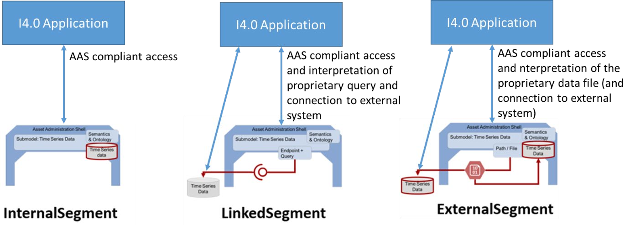
Figure 10 Data access with operations

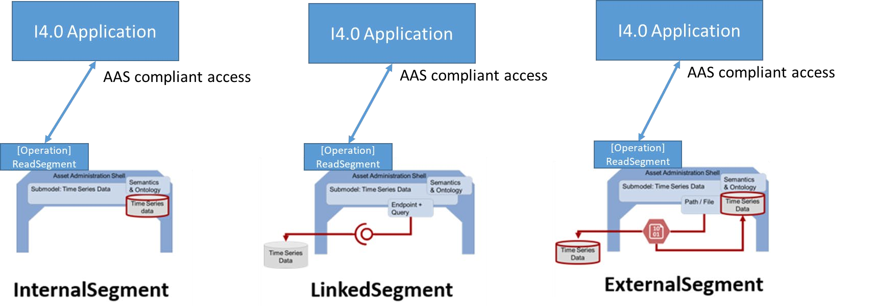
Table 12 Outlook on Submodel Template TimeSeries with Operations

